A1 - LAYOUT
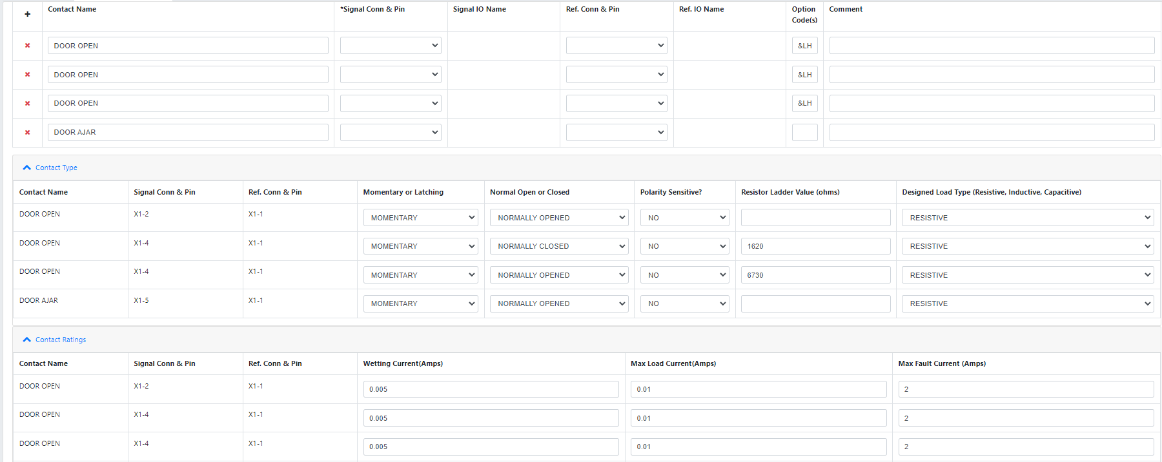
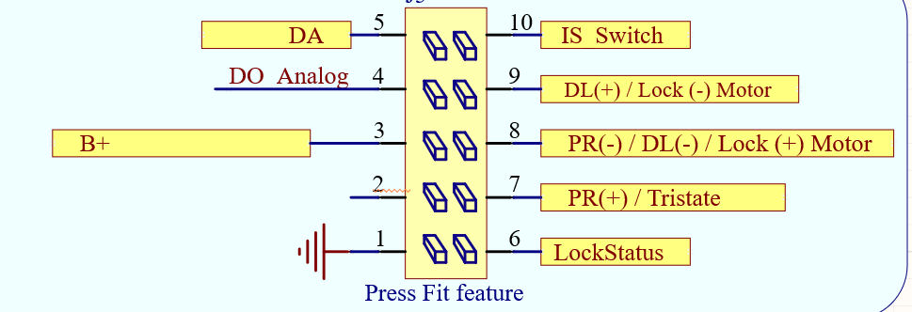
DO Digital
Lefthand |  |  |  |  |  |  |  | Righthand
Pin | Circuit # |  | Name | Name | Circuit # |  | Pin | Pin | Circuit # |  | Name | Name | Circuit # |  | Pin
 | Front | Rear | Front Door / Rear EU MCL or PCL |  | Front | Rear |  |  | Front | Rear | Front Door / Rear EU MCL or PCL |  | Front | Rear
10 Pin Connector |  |  |  |  |  |  |  | 10 Pin Connector
5 | 745 | 747 | DOOR AJAR SWITCH | I/S HANDLE SWITCH - Latch (IF NEEDED) |  | 6653 | 10 | 5 | 746 | 748 | DOOR AJAR SWITCH (Closed in secondary and open) | I/S HANDLE SWITCH - Latch (IF NEEDED) |  | 6654 | 10
4 | 126 |  | DOOR OPEN - Analog | DL/PCL +(engage) &UTT | 5910 | 5911 | 9 | 4 | 1177 |  | DOOR OPEN - Analog - RHD Only (Closed when door open) | DL/PCL +(engage) &UTT | 5910 | 5911 | 9
3 | A40 | A40 | B+ | Motor Common Power Release Motor - | 2683 | 2683 | 8 | 3 | A40 | A40 | B+ | Motor Common Power Release Motor - | 2684 | 2684 | 8
2 | 126 | 1179 | DOOR OPEN - Digital - RHD Only (Closed when door open) | Power Release Motor + | 2687 | 2685 | 7 | 2 | 1177 | 1181 | DOOR OPEN - Digital | Power Release Motor + | 2688 | 2686 | 7
1 | A50 | A50 | GND | PCL Status PCL ONLY |  | 3269 | 6 | 1 | A50 | A50 | GND | PCL Status PCL ONLY |  | 3268 | 6

Pin | Circuit # |  | Name | Name | Circuit # |  | Pin | Pin | Circuit # |  | Name | Name | Circuit # |  | Pin
 |  | FMVSS | Rear Door MCL - FMVSS |  |  | FMVSS |  |  |  | FMVSS | Rear Door MCL - FMVSS |  |  | FMVSS
10 Pin Connector |  |  |  |  |  |  |  | 10 Pin Connector
5 |  | 747 | DOOR AJAR SWITCH | I/S HANDLE SWITCH - Latch |  | 6653 | 10 | 5 |  | 748 | DOOR AJAR SWITCH | I/S HANDLE SWITCH - Latch |  | 6654 | 10
4 |  |  | NC | LOCK MOTOR +(unlock) |  | 1092 | 9 | 4 |  |  | NC | LOCK MOTOR +(unlock) |  | 1095 | 9
3 |  | A40 | B+ | Motor Common Power Release Motor - |  | 2683 | 8 | 3 |  | A40 | B+ | Motor Common Power Release Motor - |  | 2684 | 8
2 |  |  | NC | Power Release Motor + |  | 2685 | 7 | 2 |  |  | NC | Power Release Motor + |  | 2686 | 7
1 |  | A50 | GND | LOCK STATUS SWITCH |  | 4648 | 6 | 1 |  | A50 | GND | LOCK STATUS SWITCH |  | 4649 | 6

10 Pin connector |  |  |  |  | 6 pin Molex mating connector part# 90123-0106
 | 13509649 - Key F - Single Pull (7289-4885 Yazaki) |  |  |  | Pin layout:
 | 13508196 - Key D - Double Pull (7289-5068-60 Yazaki) |  |  |  | 1 | 5V
 |  |  |  |  | 2 | RESET
All Front or Rear EU |  |  |  | Rear FMVSS | 3 | BKGD |  | Rear FMVSS |  |  |  | All Front or Rear EU
Left hand Single Pull |  |  |  | Left hand Double Pull | 4 | GND |  | Right hand Double pull |  |  |  | Right hand single pull
 |  |  |  |  | 5 | RX
 |  |  |  |  | 6 | TX

6
1
6
1
6
1
6
1

1
5
1
5
1
5
1
5

6
10
6
10
6
10
6
10

B - LAYOUT
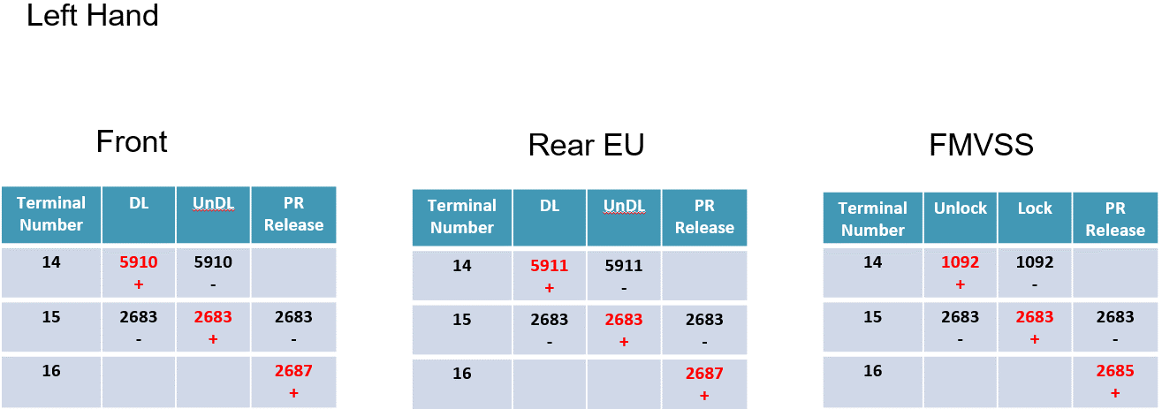
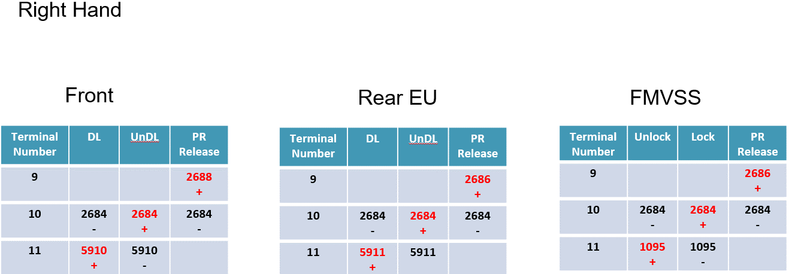
Master Pinout |  |  |  |  |  | Master Pinout |  |  |  |  | LH Front |  |  |  |  |  |  | RH Front |  |  |  |  |  |  | LH Rear |  |  |  |  |  |  |  | RH Rear
PIN OUT OF LEFT HAND LATCHES |  |  |  |  |  | PIN OUT RIGHT HAND LATCHES

Pin |  | Name | Name |  | Pin | Pin | Name | Name |  | Pin | Pin |  | Name | Name |  |  | Pin | Pin |  | Name | Name |  |  | Pin | Pin |  | Name | Name | FMVSS | ECE |  | Pin | Pin |  | Name | Name | FMVSS | ECE |  | Pin
X1 - 16 pin connector - 0.64mm terminals |  |  |  |  |  | X1 - 16 pin connector - 0.64mm terminals |  |  |  |  | X1 - 16 pin connector - 0.64mm terminals |  |  |  |  |  |  | X1 - 16 pin connector - 0.64mm terminals |  |  |  |  |  |  | X1 - 16 pin connector - 0.64mm terminals |  |  |  |  |  |  |  | X1 - 16 pin connector - 0.64mm terminals
8 |  | GND (All Switches + PWR) | Power Release Motor + | 16 |  | 8 | B+ | LIN | 16 |  | 8 | A50 | GND (All Switches + PWR) | Power Release Motor + | 2687 | 16 |  | 8 | A40 | B+ | NC |  | 16 |  | 8 | A50 | GND (All Switches + PWR) | Power Release Motor + | 2685 |  | 16 |  | 8 | A40 | B+ | NC |  |  | 16
7 |  | NC | Motor Common | 15 |  | 7 | Cinch Motor - LSD | DOOR AJAR SWITCH | 15 |  | 7 |  | NC | Motor Common | 2683 | 15 |  | 7 | 8058 | Cinch Motor - LSD | DOOR AJAR SWITCH | 746 | 15 |  | 7 |  | NC | Motor Common | 2683 |  | 15 |  | 7 | 8068 | Cinch Motor - LSD | DOOR AJAR SWITCH | 748 |  | 15
6 |  | Outside Handle In | DL +(engage) LOCK MOTOR +(unlock) | 14 |  | 6 | Cinch Motor - HSD | DOOR OPEN - A or D | 14 |  | 6 | 2675 | Outside Handle In | DL +(engage) - EU Option | 5910 | 14 |  | 6 | 8057 | Cinch Motor - HSD | DOOR OPEN -Digital | 1177 | 14 |  | 6 | 4994 | Outside Handle In | DL +(engage) - EU Option LOCK MOTOR +(unlock) - FMVSS | 1092 | 5911 | 14 |  | 6 | 8067 | Cinch Motor - HSD | NC |  |  | 14
5 |  | Cinch Active Out - LSD | Protected for Split Motors | 13 |  | 5 | Inside Handle Out | LOCK STATUS SWITCH - FMVSS | 13 |  | 5 |  | NC | NC |  | 13 |  | 5 |  | NC | NC |  | 13 |  | 5 |  | NC | NC |  |  | 13 |  | 5 | 6654 | Inside Handle Out | LOCK STATUS SWITCH - FMVSS | 4679 |  | 13
4 |  | Inside Handle Out | LOCK STATUS SWITCH - FMVSS | 12 |  | 4 | Cinch Active Out - LSD | Protected for Power Release Motor - | 12 |  | 4 |  | NC | NC |  | 12 |  | 4 |  | NC | NC |  | 12 |  | 4 | 6653 | Inside Handle Out | LOCK STATUS SWITCH - FMVSS | 4648 |  | 12 |  | 4 |  | NC | NC |  |  | 12
3 |  | Cinch Motor - LSD | DOOR OPEN - A or D | 11 |  | 3 | Outside Handle In | DL +(engage) LOCK MOTOR +(unlock) | 11 |  | 3 | 8053 | Cinch Motor - LSD | DOOR OPEN - Analog | 126 | 11 |  | 3 | 2676 | Outside Handle In | DL +(engage) - EU Option | 5910 | 11 |  | 3 | 8063 | Cinch Motor - LSD | NC |  |  | 11 |  | 3 | 4995 | Outside Handle In | DL +(engage) - EU Option LOCK MOTOR +(unlock) - FMVSS | 1095 | 5911 | 11
2 |  | Cinch Motor - HSD | DOOR AJAR SWITCH | 10 |  | 2 | NC | Motor Common | 10 |  | 2 | 8052 | Cinch Motor - HSD | DOOR AJAR SWITCH | 745 | 10 |  | 2 |  | NC | Motor Common | 2684 | 10 |  | 2 | 8062 | Cinch Motor - HSD | DOOR AJAR SWITCH | 747 |  | 10 |  | 2 |  | NC | Motor Common | 2684 |  | 10
1 |  | B+ | LIN | 9 |  | 1 | GND (All Switches + PWR) | Power Release Motor + | 9 |  | 1 | A40 | B+ | NC |  | 9 |  | 1 | A50 | GND (All Switches + PWR) | Power Release Motor + | 2688 | 9 |  | 1 | A40 | B+ | NC |  |  | 9 |  | 1 | A50 | GND (All Switches + PWR) | Power Release Motor + | 2686 |  | 9

16 Pin connector
 | 13519740 - Key C - Single Pull |  | All Front or Rear EU
 | 13519741 - Key D - Double Pull |  | Rear FMVSS

All Front or Rear EU |  |  |  |  |  | Rear FMVSS |  |  |  |  | Rear FMVSS |  |  |  | All Front or Rear EU
Left hand Single Pull |  |  |  |  |  | Left hand Double Pull |  |  |  |  | Right hand Double pull |  |  |  | Right hand single pull
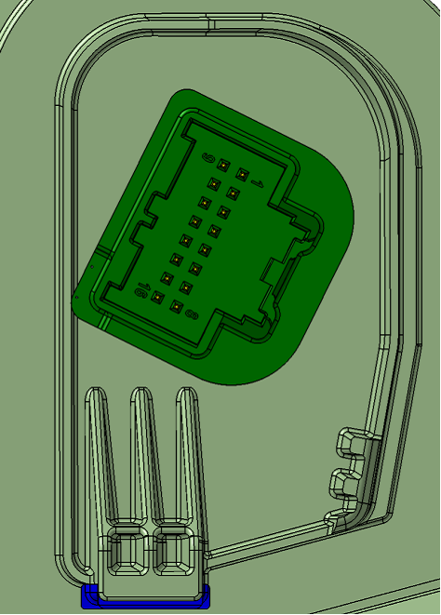
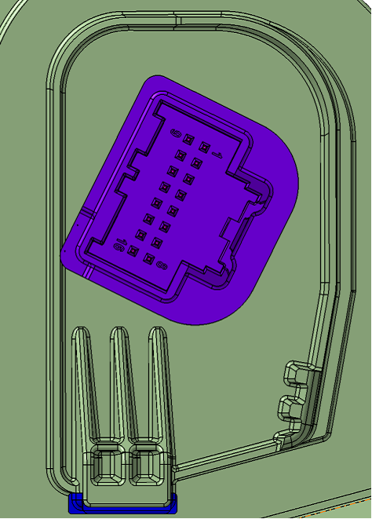
9
16
1
8
9
16
1
8

9

9
1
1

16
16
8
8

C -LAYOUT 8 AND 16 PIN + Dummy
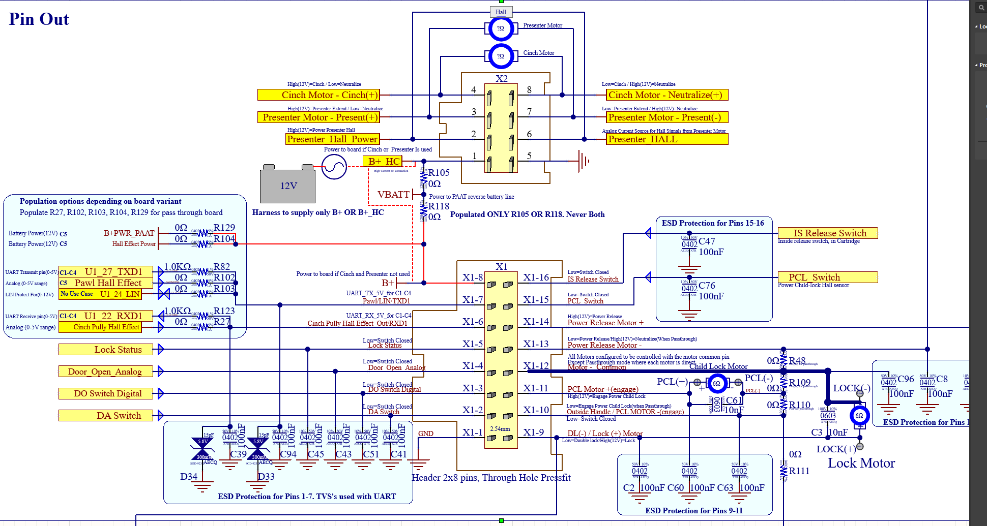
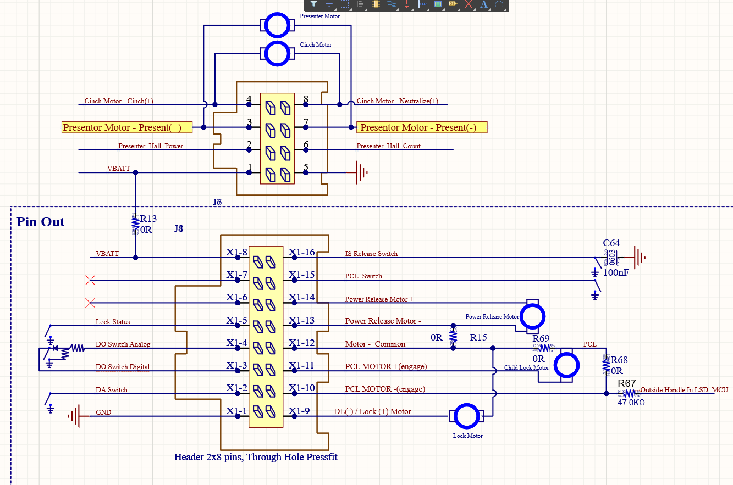
 |  |  |  |  |  | C1 |  |  |  |  |  |  |  |  |  |  |  |  |  | C2 |  |  |  |  |  |  |  |  |  |  |  |  | C3 |  |  |  |  |  |  |  |  |  |  |  |  | C4 |  |  |  |  |  |  |  |  | C5
Master Pinout |  |  |  |  |  | Cinch & Presenter |  |  |  |  |  |  |  |  |  |  |  |  |  | Presenter Only |  |  |  |  |  |  |  |  |  |  |  |  | Cinch Only |  |  |  |  |  |  |  |  |  |  |  |  | No Cinch&Present |  |  |  |  |  |  |  |  | Dummy Board
PIN OUT OF LEFT AND RIGHT HAND LATCHES |  |  |  |  |  | PIN OUT OF LEFT AND RIGHT HAND LATCHES |  |  |  |  |  |  |  |  |  |  |  |  |  | PIN OUT OF LEFT AND RIGHT HAND LATCHES |  |  |  |  |  |  |  |  |  |  |  |  | PIN OUT OF LEFT AND RIGHT HAND LATCHES |  |  |  |  |  |  |  |  |  |  |  |  | PIN OUT OF LEFT AND RIGHT HAND LATCHES |  |  |  |  |  |  |  |  | PIN OUT OF LEFT AND RIGHT HAND LATCHES |  |  |  |  |  |  |  |  |  |  |  |  |  |  |  |  | DUMMY |  | EU |  |  |  | FMVSS
 |  |  |  |  |  |  |  | Circuit # |  |  |  |  |  | Circuit # |  |  |  |  |  |  | Circuit # |  |  |  |  |  | Circuit # |  |  |  |  |  |  | Circuit # |  |  |  |  |  | Circuit # |  |  |  |  |  |  | Circuit # |  |  |  | Circuit # |  |  |  |  | Circuit # |  |  |  |  |  |  | Circuit # |  |  |  |  |  |  | PIN # | PR | PR | Return | DL/PCL | UnDL/PCL | Lock | Unlock | PCL | UnPCL
Pin |  | Name | Name |  | Pin | Pin |  | LF | RF | LR | RR | Name | Name | LF | RF | LR | RR |  | Pin | Pin | LF | RF | LR | RR | Name | Name | LF | RF | LR | RR |  | Pin | Pin | LF | RF | LR | RR | Name | Name | LF | RF | LR | RR |  | Pin | Pin | LR | RR | Name | Name | LR | RR |  | Pin | Pin | LF | RF | LR | RR | Endgate | Name | Name | LF | RF | LR | RR | Endgate |  | Pin | 14 | + | + | -
X2 - 8 pin connector - 1.5mm terminals |  |  |  |  |  | X2 - 8 pin connector - 1.5mm terminals |  |  |  |  |  |  |  |  |  |  |  |  |  | X2 - 8 pin connector - 1.5mm terminals |  |  |  |  |  |  |  |  |  |  |  |  | X2 - 8 pin connector - 1.5mm terminals |  |  |  |  |  |  |  |  |  |  |  |  | X2 - 8 pin connector - 1.5mm terminals |  |  |  |  |  |  |  |  | X2 - 8 pin connector - 1.5mm terminals |  |  |  |  |  |  |  |  |  |  |  |  |  |  | 13 |  | - | +
4 |  | Cinch Motor - HSD | Cinch Motor - LSD | 8 |  | 4 |  | 8052 | 8057 | 8062 | 8067 | Cinch Motor - HSD | Cinch Motor - LSD | 8053 | 8058 | 8063 | 8068 | 8 |  | 4 |  |  |  |  | NC | NC |  |  |  |  | 8 |  | 4 | 8052 | 8057 | 8062 | 8067 | Cinch Motor - HSD | Cinch Motor - LSD | 8053 | 8058 | 8063 | 8068 | 8 |  | 4 |  |  | NC | NC |  |  | 8 |  | 4 |  |  |  |  |  | NC | NC |  |  |  |  |  | 8 |  | 12 | - |  |  | - | + | + | - | - | +
3 |  | Presenter HSD | Presenter LSD | 7 |  | 3 |  | 11656 | 11660 | 11664 | 11668 | Presenter HSD | Presenter LSD | 11657 | 11661 | 11665 | 11669 | 7 |  | 3 | 11656 | 11660 | 11664 | 11668 | Presenter HSD - Extend - PIN 4 | Presenter LSD - Retract - PIN 3 | 11657 | 11661 | 11665 | 11669 | 7 |  | 3 |  |  |  |  | NC | NC |  |  |  |  | 7 |  | 3 |  |  | NC | NC |  |  | 7 |  | 3 |  |  |  |  |  | NC | NC |  |  |  |  |  | 7 |  | 11 |  |  |  |  |  |  |  | + | -
2 |  | Hall Voltage Feed to Presenter | Presenter Hall Count | 6 |  | 2 |  | 11658 | 11662 | 11666 | 11670 | Hall Voltage Feed to Presenter | Presenter Hall Count | 11659 | 11663 | 11667 | 11671 | 6 |  | 2 | 11658 | 11662 | 11666 | 11670 | Hall Voltage Feed to Presenter - PIN 1 | Presenter Hall Count - PIN 2 | 11659 | 11663 | 11667 | 11671 | 6 |  | 2 |  |  |  |  | NC | NC |  |  |  |  | 6 |  | 2 |  |  | NC | NC |  |  | 6 |  | 2 |  |  |  |  |  | NC | NC |  |  |  |  |  | 6 |  | 9 |  |  |  | + | - | - | +
1 |  | B+ | GND (All Switches + PWR) | 5 |  | 1 |  | A40 |  |  |  | B+ | GND (All Switches + PWR) | A50 |  |  |  | 5 |  | 1 | A40 |  |  |  | B+ | GND (All Switches + PWR) | A50 |  |  |  | 5 |  | 1 | A40 |  |  |  | B+ | GND (All Switches + PWR) | A50 |  |  |  | 5 |  | 1 |  |  | NC | NC |  |  | 5 |  | 1 |  |  |  |  |  | NC | NC |  |  |  |  |  | 5

PIN OUT OF LEFT AND RIGHT HAND LATCHES |  |  |  |  |  | PIN OUT OF LEFT AND RIGHT HAND LATCHES |  |  |  |  |  |  |  |  |  |  |  |  |  | PIN OUT OF LEFT AND RIGHT HAND LATCHES |  |  |  |  |  |  |  |  |  |  |  |  | PIN OUT OF LEFT AND RIGHT HAND LATCHES |  |  |  |  |  |  |  |  |  |  |  |  | PIN OUT OF LEFT AND RIGHT HAND LATCHES |  |  |  |  |  |  |  |  | PIN OUT OF LEFT AND RIGHT HAND LATCHES
 |  |  |  |  |  |  |  | Circuit # |  |  |  |  |  | Circuit # |  |  |  |  |  |  | Circuit # |  |  |  |  |  | Circuit # |  |  |  |  |  |  | Circuit # |  |  |  |  |  | Circuit # |  |  |  |  |  |  | Circuit # |  |  |  | Circuit # |  |  |  |  | Circuit # |  |  |  |  |  |  | Circuit #
Pin |  | Name | Name |  | Pin | Pin |  | LF | RF | LR | RR | Name | Name | LF | RF | LR | RR |  | Pin | Pin | LF | RF | LR | RR | Name | Name | LF | RF | LR | RR |  | Pin | Pin | LF | RF | LR | RR | Name | Name | LF | RF | LR | RR |  | Pin | Pin | LR | RR | Name | Name | LR | RR |  | Pin | Pin | LF | RF | LR | RR | Endgate | Name | Name | LF | RF | LR | RR | Endgate |  | Pin
X1 - 16 pin connector - 0.64mm terminals |  |  |  |  |  | X1 - 16 pin connector - 0.64mm terminals |  |  |  |  |  |  |  |  |  |  |  |  |  | X1 - 16 pin connector - 0.64mm terminals |  |  |  |  |  |  |  |  |  |  |  |  | X1 - 16 pin connector - 0.64mm terminals |  |  |  |  |  |  |  |  |  |  |  |  | X1 - 16 pin connector - 0.64mm terminals |  |  |  |  |  |  |  |  | X1 - 16 pin connector - 0.64mm terminals
8 |  | B+ Hall Sensor Feed from SAM | Inside Handle In/Out | 16 |  | 8 |  |  |  |  |  | NC | Inside Handle In/Out IF NEEDED |  |  |  |  | 16 |  | 8 |  |  |  |  | NC | Inside Handle In/Out IF NEEDED |  |  |  |  | 16 |  | 8 |  |  |  |  | NC | Inside Handle In/Out IF NEEDED |  |  |  |  | 16 |  | 8 | A40 | A40 | B+ | Inside Handle In/Out IF NEEDED |  |  | 16 |  | 8 | 11713 | 11717 | 11721 | 11725 |  | Hall Sensor Feed from SAM | Inside Handle Out IF NEEDED |  |  |  |  |  | 16
7 |  | Detent Signal | PCL SWITCH (FMVSS) | 15 |  | 7 |  |  |  |  |  | NC | PCL SWITCH (FMVSS) |  |  | 3269 | 3268 | 15 |  | 7 |  |  |  |  | NC | PCL SWITCH (FMVSS) |  |  | 3269 | 3268 | 15 |  | 7 |  |  |  |  | NC | PCL SWITCH (FMVSS) |  |  | 3269 | 3268 | 15 |  | 7 |  |  | NC | PCL SWITCH (FMVSS) | 3269 | 3268 | 15 |  | 7 | 11712 | 11716 | 11720 | 11724 |  | Detent Signal | PCL SWITCH (FMVSS) |  |  | 3269 | 3268 |  | 15
6 |  | Pulley Signal | Power Release Motor + | 14 |  | 6 |  |  |  |  |  | NC | Power Release Motor + | 2687 | 2688 | 2685 | 2686 | 14 |  | 6 |  |  |  |  | NC | Power Release Motor + | 2687 | 2688 | 2685 | 2686 | 14 |  | 6 |  |  |  |  | NC | Power Release Motor + | 2687 | 2688 | 2685 | 2686 | 14 |  | 6 |  |  | NC | Power Release Motor + | 2685 | 2686 | 14 |  | 6 | 11714 | 11718 | 11722 | 11726 |  | Pulley Signal | Power Release Motor + | 2687 | 2688 | 2685 | 2686 | 11367 | 14
5 |  | PCL SWITCH (ECE/CHINA) LOCK STATUS SWITCH (FMVSS) | Protected for Power Release Motor - | 13 |  | 5 |  |  |  | 3269 4648 | 3268 4649 | PCL SWITCH (ECE/CHINA) LOCK STATUS SWITCH (FMVSS) | NC |  |  |  |  | 13 |  | 5 |  |  | 3269 4648 | 3268 4649 | PCL SWITCH (ECE/CHINA) LOCK STATUS SWITCH (FMVSS) | NC |  |  |  |  | 13 |  | 5 |  |  | 3269 4648 | 3268 4649 | PCL SWITCH (ECE/CHINA) LOCK STATUS SWITCH (FMVSS) | NC |  |  |  |  | 13 |  | 5 | 4648 | 4649 | LOCK STATUS SWITCH (FMVSS) | NC |  |  | 13 |  | 5 |  |  | 3269 4648 | 3268 4649 |  | PCL SWITCH (ECE/CHINA) LOCK STATUS SWITCH (FMVSS) | Power Release Motor - | 11715 | 11719 | 11723 | 11727 | 11368 | 13
4 |  | DOOR OPEN - Analog | Motor Common | 12 |  | 4 |  | 126 |  |  |  | DOOR OPEN - Analog | Motor Common | 2683 | 2684 | 2683 | 2684 | 12 |  | 4 | 126 |  |  |  | DOOR OPEN - Analog | Motor Common | 2683 | 2684 | 2683 | 2684 | 12 |  | 4 | 126 |  |  |  | DOOR OPEN - Analog | Motor Common | 2683 | 2684 | 2683 | 2684 | 12 |  | 4 |  |  | DOOR OPEN - Analog | Motor Common | 2683 | 2684 | 12 |  | 4 | 126 | 1177 | 1179 | 1181 | 11363 | DOOR OPEN - Analog (Closed when door open) | DL/PCL -(engage) LOCK MOTOR -(unlock) | 2683 | 2684 | 2683 | 2684 |  | 12
3 |  | DOOR OPEN - Digital | PCL MOTOR +(engage) (FMVSS) | 11 |  | 3 |  |  | 1177 | 1179 | 1181 | DOOR OPEN - Digital | PCL MOTOR +(engage) (FMVSS) |  |  | 5911 | 5911 | 11 |  | 3 |  | 1177 | 1179 | 1181 | DOOR OPEN - Digital | PCL MOTOR +(engage) (FMVSS) |  |  | 5911 | 5911 | 11 |  | 3 |  | 1177 | 1179 | 1181 | DOOR OPEN - Digital | PCL MOTOR +(engage) (FMVSS) |  |  | 5911 | 5911 | 11 |  | 3 | 1179 | 1181 | DOOR OPEN - Digital | PCL MOTOR +(engage) (FMVSS) | 5911 | 5911 | 11 |  | 3 |  |  |  |  |  | DOOR OPEN - Digital (Closed when door open) | PCL MOTOR +(engage) (FMVSS) |  |  | 5911 | 5911 |  | 11
2 |  | DOOR AJAR SWITCH | OUTSIDE HANDLE IN PCL MOTOR -(engage) | 10 |  | 2 |  | 745 | 746 | 747 | 748 | DOOR AJAR SWITCH | OUTSIDE HANDLE IN | 2675 | 2676 | 4994 | 4995 | 10 |  | 2 | 745 | 746 | 747 | 748 | DOOR AJAR SWITCH | OUTSIDE HANDLE IN | 2675 | 2676 | 4994 | 4995 | 10 |  | 2 | 745 | 746 | 747 | 748 | DOOR AJAR SWITCH | OUTSIDE HANDLE IN | 2675 | 2676 | 4994 | 4995 | 10 |  | 2 | 747 | 748 | DOOR AJAR SWITCH | OUTSIDE HANDLE IN IF NEEDED |  |  | 10 |  | 2 | 745 | 746 | 747 | 748 | 11362 | DOOR AJAR SWITCH (Closed in secondary and open) | OUTSIDE HANDLE IN IF NEEDED |  |  |  |  |  | 10
1 |  | GND (All Switches + PWR) | DL (RPO: &UTT) /PCL +(engage) LOCK MOTOR +(unlock) (FMVSS) | 9 |  | 1 |  |  |  |  |  | NC | DL (RPO: &UTT) /PCL +(engage) LOCK MOTOR +(unlock) (FMVSS) | 5910 | 5910 | 5911 1092 | 5911 1095 | 9 |  | 1 |  |  |  |  | NC | DL (RPO: &UTT) /PCL +(engage) LOCK MOTOR +(unlock) (FMVSS) | 5910 | 5910 | 5911 1092 | 5911 1095 | 9 |  | 1 |  |  |  |  | NC | DL (RPO: &UTT) /PCL +(engage) LOCK MOTOR +(unlock) (FMVSS) | 5910 | 5910 | 5911 1092 | 5911 1095 | 9 |  | 1 | A50 | A50 | GND (All Switches + PWR) | LOCK MOTOR +(unlock) (FMVSS) | 1092 | 1095 | 9 |  | 1 | A50 |  |  |  |  | GND (All Switches) | DL (RPO: &UTT) /PCL +(engage) LOCK MOTOR +(unlock) (FMVSS) | 5910 | 5910 | 5911 1092 | 5911 1095 |  | 9

 |  |  |  |  |  | Full Population |  |  |  |  |  |  |  |  |  |  |  |  |  | Remove cinching FETs |  |  |  |  |  |  |  |  |  |  |  |  | Remove Presenter FETs and G Sensor |  |  |  |  |  |  |  |  |  |  |  |  | Removed 5V feed for halls, cinch and presenter FETS, Gsensor, etc |  |  |  |  |  |  |  |  | Removed 5V feed for halls, cinch and presenter FETS, Gsensor, etc

8 pin connector |  |  |  | 6 pin Molex mating connector part# 90123-0106 |  |  |  |  |  |  |  |  |  |  |  |  |  |  |  |  |  |  |  |  |  |  |  |  |  |  |  |  |  |  |  |  |  |  |  |  |  |  |  |  |  |  |  |  |  |  |  |  |  |  | No Micro and most all other components
 | 13591047 - Key F on all latches |  |  |  |  | Pin layout: | 1 | 5V
16 Pin connector |  |  |  |  |  |  | 2 | RESET |  |  |  |  |  |  |  |  |  |  |  |  |  |  |  |  |  |  |  |  |  |  |  |  |  |  |  |  |  |  |  |  |  |  |  |  |  |  |  |  |  |  |  |  |  |  | Resistors for DO switch, some Zero Ohm resistors & ESD caps as needed
 | 13519739 - Key B - Single Pull |  | All Front or Rear EU |  |  |  | 3 | BKGD |  |  |  |  |  |  |  |  |  |  |  |  |  |  |  |  |  |  |  |  |  |  |  |  |  |  |  |  |  |  |  |  |  |  |  |  |  |  |  |  |  |  |  |  |  |  | All motors separate
 | 13519742 - Key E - Double Pull |  | Rear FMVSS |  |  |  | 4 | GND
 |  |  |  |  |  |  | 5 | RX
 |  |  |  |  |  |  | 6 | TX
 |  |  |  |  |  |  |  |  |  |  |  |  | Rear FMVSS |  |  |  |  |  |  |  |  |  |  |  | All Front or Rear EU
All Front or Rear EU |  |  |  |  |  | Rear FMVSS |  |  |  |  |  |  | Right hand Double pull |  |  |  |  |  |  |  |  |  |  |  | Right hand single pull
Left hand Single Pull |  |  |  |  |  | Left hand Double Pull
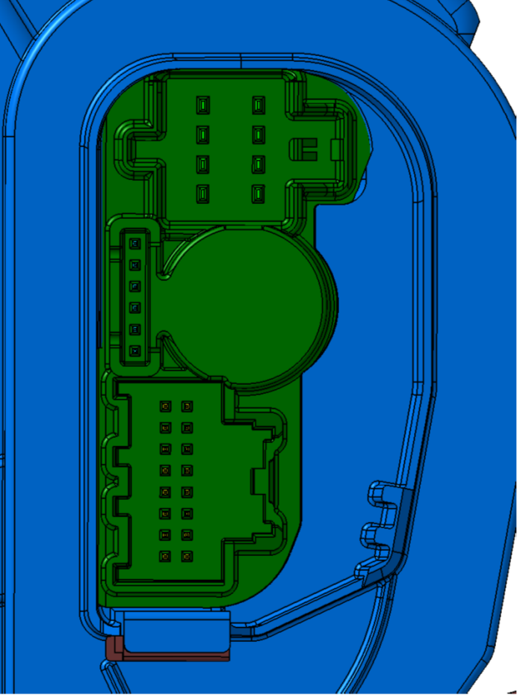
1
6
1
4
8
5
9
16
1
8
1
6
1
4
8
5
9
16
1
8

5
1
5
1
 |  |  |  |  |  |  |  |  |  |  |  |  |  |  |  |  |  |  |  |  |  |  |  |  |  |  |  |  |  |  |  |  |  |  |  |  |  |  |  |  |  |  |  |  |  |  |  |  |  |  |  |  |  |  |  |  |  |  |  |  |  |  |  |  |  |  |  |  |  |  |  |  |  |  |  |  |  |  |  | 3

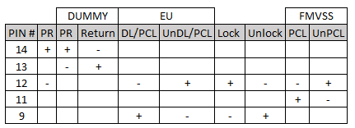

8
8

1
4
1
4

6
6

1
9
9
1

16
16
8
8

A0 - LAYOUT WIP
Lefthand |  |  | A0 - PR w/ Return Spring |  |  |  |  | Righthand |  |  | A0 - PR w/ Return Spring
Pin | Circuit # |  | Name | Name | Circuit # |  | Pin | Pin | Circuit # |  | Name | Name | Circuit # |  | Pin
 | Front | Rear | Front Door / Rear EU MCL or PCL -- SINGLE PULL |  | Front | Rear |  |  | Front | Rear | Front Door / Rear EU MCL or PCL -- SINGLE PULL |  | Front | Rear
10 Pin Connector |  |  |  |  |  |  |  | 10 Pin Connector
5 | 2687 | 2685 | Power Release Motor + | DOOR AJAR SWITCH | 745 | 747 | 10 | 5 |  |  | NC | PCL Status SWITCH |  | 3268 | 10
4 | 2683 | 2683 | Motor Common Power Release Motor - | DOOR OPEN SWITCH (ANALOG LHD / DIGITAL RHD) | 126 | 1179 | 9 | 4 |  |  | NC | GND | A50 | A50 | 9
3 | 5910 | 5911 | DL/PCL +(engage) &UTT | I/S HANDLE SWITCH - Latch MCL ONLY |  | 6653 | 8 | 3 | 5910 | 5911 | DL/PCL +(engage) &UTT | I/S HANDLE SWITCH - Latch MCL ONLY |  | 6654 | 8
2 |  |  | NC | GND | A50 | A50 | 7 | 2 | 2684 | 2684 | Motor Common Power Release Motor - | DOOR OPEN SWITCH (DIGITAL LHD / ANALOG RHD) | 1177 | 1181 | 7
1 |  |  | NC | PCL Status SWITCH |  | 3269 | 6 | 1 | 2688 | 2686 | Power Release Motor + | DOOR AJAR SWITCH (Closed in secondary and open) | 746 | 748 | 6

Pin | Circuit # |  | Name | Name | Circuit # |  | Pin | Pin | Circuit # |  | Name | Name | Circuit # |  | Pin
 |  | FMVSS | Rear Door MCL - FMVSS -- DOUBLE PULL |  |  | FMVSS |  |  |  | FMVSS | Rear Door MCL - FMVSS -- DOUBLE PULL |  |  | FMVSS
10 Pin Connector |  |  |  |  |  |  |  | 10 Pin Connector
5 |  | 2685 | Power Release Motor + | DOOR AJAR SWITCH |  | 747 | 10 | 5 |  |  | NC | LOCK STATUS SWITCH |  | 4649 | 10
4 |  | 2683 | Motor Common Power Release Motor - | DOOR OPEN SWITCH |  | 1179 | 9 | 4 |  |  | NC | GND |  | A50 | 9
3 |  | 1092 | LOCK MOTOR +(unlock) | I/S HANDLE SWITCH - Latch MCL ONLY |  | 6653 | 8 | 3 |  | 1095 | LOCK MOTOR +(unlock) | I/S HANDLE SWITCH - Latch MCL ONLY |  | 6654 | 8
2 |  |  | NC | GND |  | A50 | 7 | 2 |  | 2684 | Motor Common Power Release Motor - | DOOR OPEN SWITCH |  | 1181 | 7
1 |  |  | NC | LOCK STATUS SWITCH |  | 4648 | 6 | 1 |  | 2686 | Power Release Motor + | DOOR AJAR SWITCH (Closed in secondary and open) |  | 748 | 6

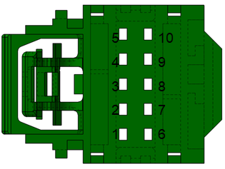
10 Pin connector
 | 13509649 - Key F - Single Pull (7289-4885 Yazaki) |  |  | All Front or Rear EU
 | 13508196 - Key D - Double Pull (7289-5068-60 Yazaki) |  |  | Rear FMVSS

Sheet2
